Player name vs goals scored
Player name vs goals scored analysis.

1. Pivot table |  | 2. Line plot

Player name vs goals scored
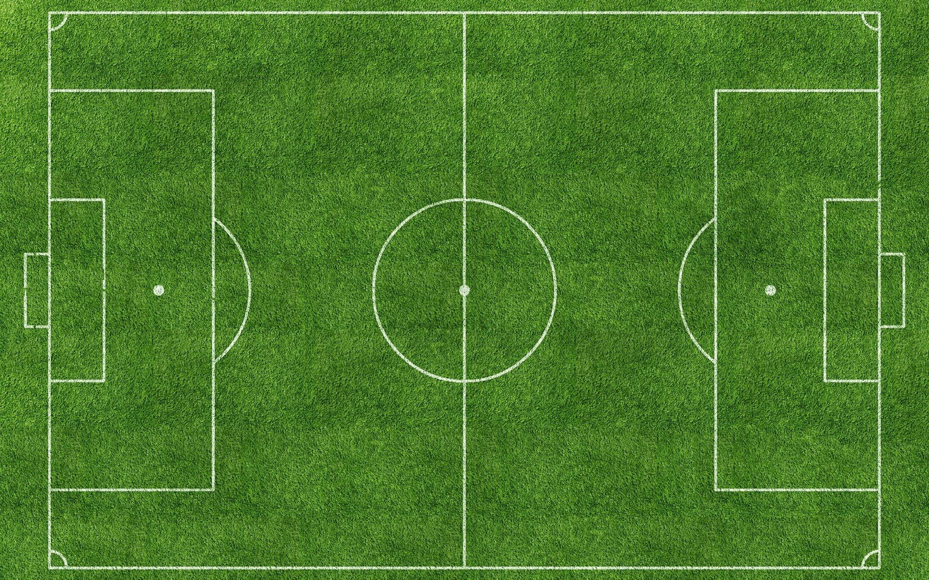
Player name | Sum of Goals Scored
Alejandro Gomez | 0
Alexis Mac Allister | 1
Angel Correa | 0
Angel Di Maria | 1
Cristian Romero | 0
Emiliano Martinez | 0
Enzo Fernandez | 1
Exequiel Palacios | 0
Franco Armani | 0
German Pezzella | 0
Geronimo Rulli | 0
Gonzalo Montiel | 0
Guido Rodriguez | 0
Juan Foyth | 0
Julian Alvarez | 4
Lautaro Martinez | 0
Leandro Paredes | 0
Lionel Messi | 7
Lisandro Martinez | 0
Marcos Acuna | 0
Nahuel Molina | 1
Player name vs goals scored
Nicolas Otamendi | 0
Nicolas Tagliafico | 0 | 3. Histogram
Paulo Dybala | 0
Rodrigo De Paul | 0
Thiago Almada | 0
Grand Total | 15

Position on pitch vs goals scor
Position on pitch vs goals scored analysis.

1. Pivot table |  | 2. Histogram.
Goals per position

Position | Sum of Goals Scored
DF | 1
FW | 12
GK | 0
MF | 2
Grand Total | 15

 |  | 3. Line plot

Goals scored per position

Jersey number vs assists provid
Jersey number vs assists provided analysis.

1. Pivot table |  | 2. Histogram

Jersey number | Sum of Assists Provided
1 | 0
2 | 0
3 | 0
4 | 0
5 | 0
6 | 0
7 | 0
8 | 0
9 | 0
10 | 3
11 | 1
12 | 0
13 | 0
14 | 0
15 | 0
16 | 0
17 | 0
18 | 0
19 | 1
20 | 1
21 | 0 | 3. Line plot.
22 | 0
Jersey number vs assists provided
23 | 0
24 | 1
25 | 0
26 | 1
Grand Total | 8

Dashboard
DASHBOARD

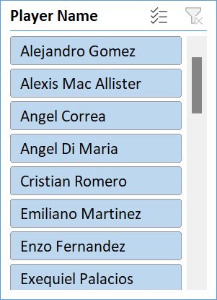
Jersey number vs assists provided
 | Total
1 | 0
2 | 0
3 | 0
4 | 0
5 | 0
6 | 0
7 | 0
8 | 0
9 | 0
10 | 3
11 | 1
12 | 0
13 | 0
14 | 0
15 | 0
16 | 0
17 | 0
18 | 0
19 | 1
20 | 1
21 | 0
22 | 0
23 | 0
24 | 1
25 | 0
26 | 1
Goals per position
 | Total
DF | 1
FW | 12
GK | 0
MF | 2

Player name vs goals scored
 | Total
Alejandro Gomez | 0
Alexis Mac Allister | 1
Angel Correa | 0
Angel Di Maria | 1
Cristian Romero | 0
Emiliano Martinez | 0
Enzo Fernandez | 1
Exequiel Palacios | 0
Franco Armani | 0
German Pezzella | 0
Geronimo Rulli | 0
Gonzalo Montiel | 0
Guido Rodriguez | 0
Juan Foyth | 0
Julian Alvarez | 4
Lautaro Martinez | 0
Leandro Paredes | 0
Lionel Messi | 7
Lisandro Martinez | 0
Marcos Acuna | 0
Nahuel Molina | 1
Nicolas Otamendi | 0
Nicolas Tagliafico | 0
Paulo Dybala | 0
Rodrigo De Paul | 0
Thiago Almada | 0
Player name vs goals scored
 | Total
Alejandro Gomez | 0
Alexis Mac Allister | 1
Angel Correa | 0
Angel Di Maria | 1
Cristian Romero | 0
Emiliano Martinez | 0
Enzo Fernandez | 1
Exequiel Palacios | 0
Franco Armani | 0
German Pezzella | 0
Geronimo Rulli | 0
Gonzalo Montiel | 0
Guido Rodriguez | 0
Juan Foyth | 0
Julian Alvarez | 4
Lautaro Martinez | 0
Leandro Paredes | 0
Lionel Messi | 7
Lisandro Martinez | 0
Marcos Acuna | 0
Nahuel Molina | 1
Nicolas Otamendi | 0
Nicolas Tagliafico | 0
Paulo Dybala | 0
Rodrigo De Paul | 0
Thiago Almada | 0

